lower envelope
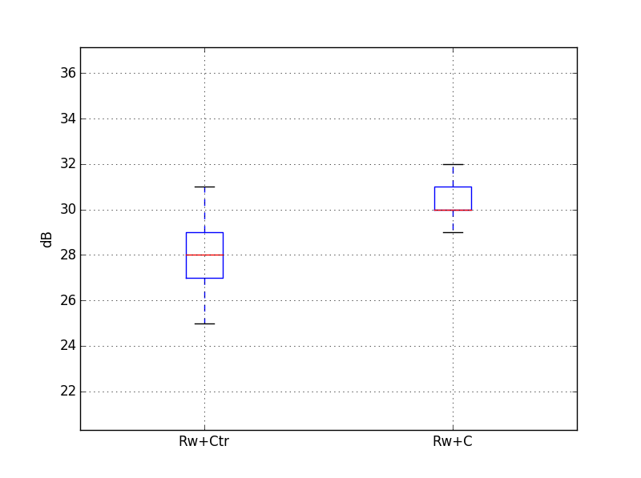
 |  |  |  |  |  |  |  |  |  |  |  |  | 12500 | 16000 | 20000 | A
 |  |  |  | Target |  | 35 | dB
Guest room at the corner |  |  |  | required Rw+Ctr |  | 29 | dB
Volume, V /m3 | 45.0 |  |  | required Rw+C |  | 31 | dB
Window area, S /m2 | 2.4
Reverberation Time, T /s | 0.5 |  | -4.7403126773 |  |  | 30

Octave centre frequency | dB(A) | 125 Hz | 250 Hz | 500 Hz | 1 kHz | 2 kHz
Maximum sound level of seagulls at 3m, L1in /dB(A) | 70 | 49 | 57 | 61 | 68 | 64
='Pilkington double'!B9 |  | 22 | 21 | 28 | 38 | 40 |  | Rw+C=32
Equation 1, L2 /dB(A) | 34 | 22 | 31 | 28 | 25 | 19

Octave centre frequency | dB(A) | 125 Hz | 250 Hz | 500 Hz | 1 kHz | 2 kHz
Maximum sound level of seagulls at 3m, L1in /dB(A) | 70 | 49 | 57 | 61 | 68 | 64
4/16/6 |  | 24 | 21 | 29 | 43 | 43 |  | Rw+C=33
Equation 1, L2 /dB(A) | 33 | 20 | 31 | 27 | 20 | 16 |  |  |  | Rw+C statistics |  | Rw+Ctr statistics
 |  |  |  |  |  |  |  |  | count | 20000 | count | 20000.0
 |  |  |  |  |  |  |  |  | mean | 30.4 | mean | 28.3
 |  |  |  |  |  |  |  |  | std | 0.6 | std | 1.1
 |  |  |  |  |  |  |  |  | min | 28.7 | min | 25.3
 |  |  |  |  |  |  |  |  | 25% | 30.0 | 25% | 27.4
 |  |  |  |  |  |  |  |  | 50% | 30.5 | 50% | 28.3
 |  |  |  |  |  |  |  |  | 75% | 30.9 | 75% | 29.1
 |  |  |  |  |  |  |  |  | max | 32.1 | max | 30.7

